Sheet1
 |  | Document No. | Issue No. |  | Issue Date |  |  | Review and Replace Date |  |  | Authorised By
 |  | GFF0128MC | 3 |  | 01.10.2019 |  |  | 19.10.2021
 |  | Document Title | 10 ORIENTAL DUCK SELECTION WITH HOISIN DIP 240g
 |  | QAS reviewed |  |  |  | Page |  |  | 1 of 1 |  | Magda Shah
Document amendments reason for change |  |  |  |  |  | Previous Issue Date |  |  | 09.10.2020 |  | Uncontrolled copy unless signed original

CDSL-1R1TEB | BOOTHS - XMAS |  | 10 ORIENTAL DUCK SELECTION WITH HOISIN DIP 240g │ FROZEN & CHILLED
STEP 1 |  |  |  | STEP 2 |  |  |  |  |  | STEP 3
 |  |  |  | 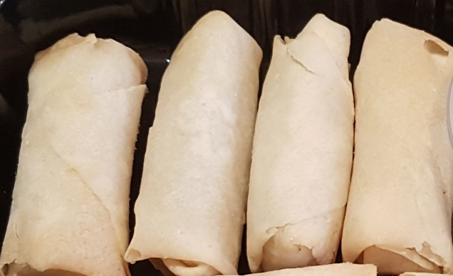 |  |  |  |  |  | 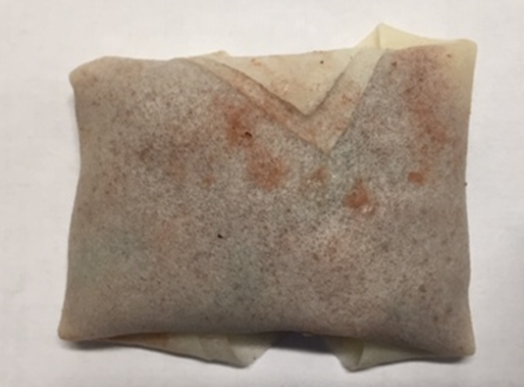

Tray: SK4-Plain Clear (PKESS001-07) |  |  |  | 4 x DUCK SPRING ROLL 20g 80g (Fried before packing) |  |  |  |  |  | 3 x DUCK PARCELS 20g (GFF282R) 60g
Film: ME410A Antifog WELD seal (PKPRO001-12) (PROMENS)
STEP 4 |  |  |  |  |  |  | STEP 5
DAY TAKEN OUT OF FREEZER + 14 DAYS
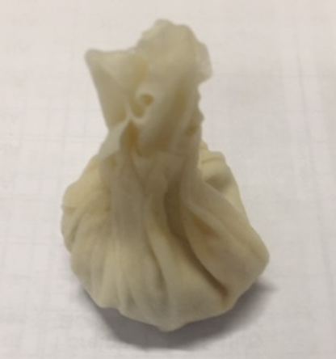 |  |  |  |  |  |  | 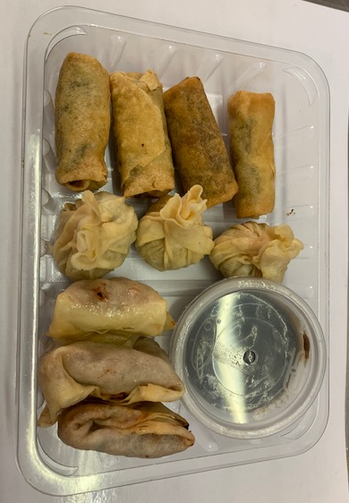

3 x DUCK MONEY BAGS 20g (GFF284R) 60g |  |  |  |  |  |  | PEKING DUCK SAUCE (RMWIN001-11) 40g |  |  |  |  | TOTAL WEIGHT: 240g

 |  |  |  |  |  |  | SATCO CONTAINERS (PKKAV001-17)
ALLERGY ALERT: MILK, SOYA, SESAME, WHEAT

